OOPs
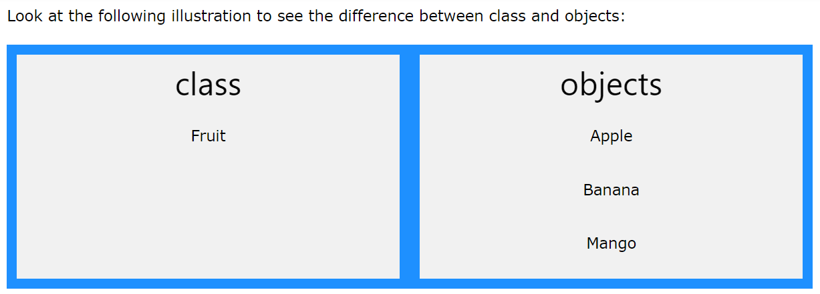

 |  |  |  |  |  |  |  |  |  | So, a class is a template for objects, and an object is an instance of a class.

 |  |  |  |  |  |  |  |  |  | When the individual objects are created, they inherit all the variables and methods from the class.

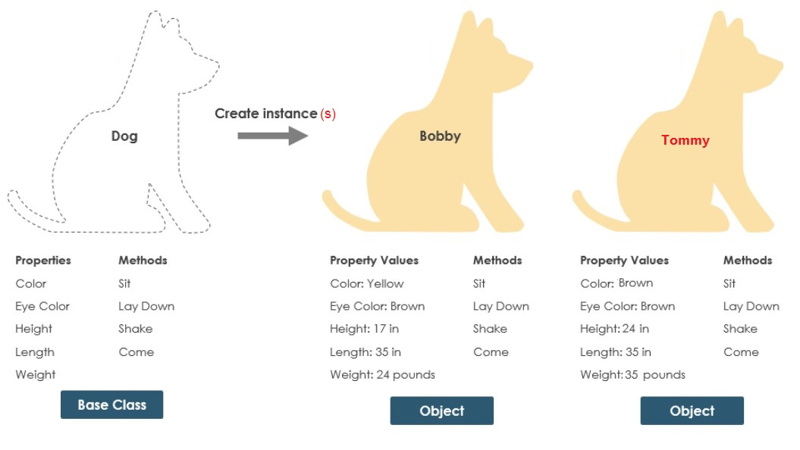

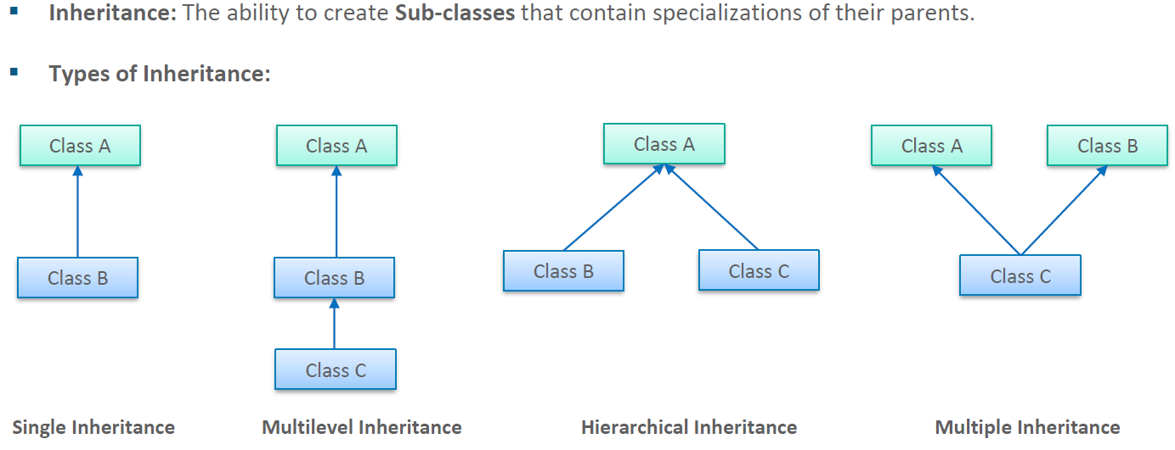

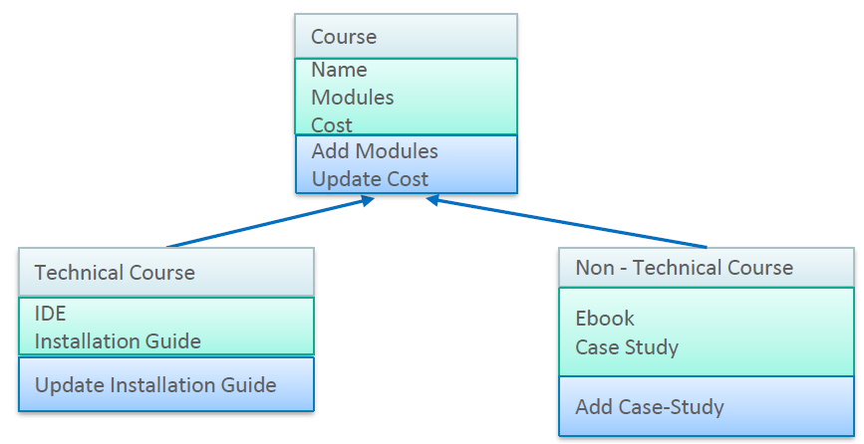

 |  | Details
 | Private | id | 1
 | Private | name | Pankaj
 | Private | gender | Male |  |  | Doctor
 | Public | setData |  |  |  | d
 | Public | showData |  |  | Par Var | id | 1
 |  |  |  |  | Par Var | name | Pankaj | setData and showData methods
 |  |  |  |  | Par Var | gender | Male
 |  |  |  |  | Own Var | hospital | aiims
 |  | Doctor |  |  | Own Var | dept | eyes
 | Private | hospital | aiims
 | Private | dept | eyes

 |  |  |  |  |  |  |  | 0x000001E744FA7250 (self) |  |  | 24
 |  |  |  | Class Name: Shark |  |  |  |  | Apple (Instance / Object)
 |  |  | Attributes: |  |  |  |  | Attributes:
 |  |  |  | animal_type
 |  |  |  | location
 |  |  |  | name |  |  |  | public | name | sammy | 8
 |  |  |  | age |  |  |  | private | age | 5 | 8
 |  |  | Methods:
 |  |  |  | eat

 |  |  |  |  |  |  |  | mango = fruit()
 |  |  |  |  |  |  |  | 0x000001E744FEFFA0 (self)
 |  |  |  |  |  |  |  |  | Mango (Instance / Object)
 |  |  |  |  |  |  |  | Attributes:
attribute accessible outside class :: public |  |  |  |  |  |  |  | Class Attr | animal_type | fish
attribute accessible within class & its methods only :: private |  |  |  |  |  |  |  | Class Attr | location | ocean
 |  |  |  |  |  |  |  | Insta Attr | name | tammy
 |  |  |  |  |  |  |  | Insta Attr | age | 50
 |  |  |  |  |  |  |  | Methods:

